Sheet1
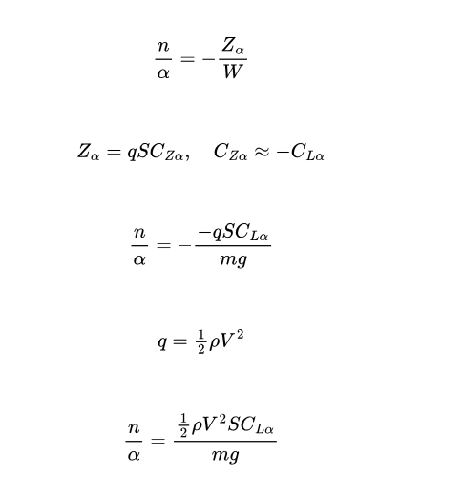
CoG | w_sp [Hz] | w_sp [rad/s] | CoG | n/a | Za | q | V [km/h] | V [m/s] | CL_a | CL_z | mg | S [m^2]
1.3 | 1.89 | 11.875220231 | 1.3 | 26.855383529 | 98530.790846 | 955.97573556 | 142.224 | 39.506666667 | 5.34448 | -5.34448 | 3668.94 | 19.285
1.35 | 1.68 | 10.555751316 | 1.35 | 21.552601369 | 79075.201268 | 767.42850625 | 132.972 | 36.936666667 | 5.34297 | -5.34297 | 3668.94 | 19.285
1.4 | 1.47366 | 9.2592788598 | 1.4 | 18.469491756 | 67763.457083 | 657.93318754 | 123.121 | 34.200277778 | 5.34065 | -5.34065 | 3668.94 | 19.285
1.445 | 1.30299 | 8.1869276234 | 1.445 | 15.919382103 | 58407.257774 | 567.41225017 | 114.338 | 31.760555556 | 5.33763 | -5.33763 | 3668.94 | 19.285
1.45 | 1.27087 | 7.9851117113 | 1.45 | 15.439146946 | 56645.303794 | 550.3716 | 112.608 | 31.28 | 5.33689 | -5.33689 | 3668.94 | 19.285
1.5 | 1.07479 | 6.7531047363 | 1.5 | 12.490980558 | 45828.658207 | 445.82562934 | 101.35 | 28.152777778 | 5.33031 | -5.33031 | 3668.94 | 19.285
1.55 | 0.8876 | 5.5769552787 | 1.55 | 9.6314941032 | 35337.373975 | 344.58187517 | 89.102 | 24.750555556 | 5.31768 | -5.31768 | 3668.94 | 19.285
 |  |  |  |  |  |  | X5 input |  | X5 input

